MET
METALLURGICAL EXAMINATION RESULTS

 | Customer: |  | AEN-Saudi |  |  |  | Machine Type: |  |  | MS7001
 | Customer Ref. No.: |  | 4400016839 |  |  |  | Quantity p. Set: |  |  | 92
 | AEG. Ref. No: |  | B802912RE010 |  |  |  | EOH: |  |  | Not Provided
 | AEG. Job. No: |  | 7227 |  |  |  | Remarks: |  |  | Pre & Post HT

 | Sample nr. | Description |  |  | S/N or part nr. |  | Sample location |  | Material |  | Result
 | MS 6890C MS 6934C | 2nd Stage Bucket |  |  | H2CP 023223 H2CP 026505 |  | Shroud Tip |  | GTD-741 |  | See comment
 | Hardness Results: | Pre-Solutioning |  |  | 38.1 HRC |  | Coating |  |  |  | Type of Coating
 |  | Post- Solutioning |  |  | 29.1 HRC |  | No |  |  |  | N/A

 | Alloy (Nominal) wt% | Co | Cr | Mo | W | Al | Ti | Ni | C | Nb | V | Fe | Zr
 | GTD-741 | 8.3 | 16 | 1.7 | 2.6 | 3.3 | 3.4 | 62.34 | 0.11 | 1.74 | 0.1 | 0.2 | 0.033

 | Alloy (Actual) wt% | Co | Cr | Mo | W | Al | Ti | Ni | Cu | Nb | V | Fe
 | GTD-741 | 8.58 | 15.68 | 1.61 | 2.44 | 3.9 | 2.95 | 63.02 | 0.03 | 1.38 | 0.02 | 0.14

 | Comment:

 | Sample was taken from Shroud Tip for the evaluation of the base material and the coating status after service. The surface is uncoated on the shroud tip area. The surface presents oxidation attack with 0.042 mm thickness and Cr.alloy depletion as observed with 0.022 thickness in pic. no. 2 & 3. The material microstructure exhibits a continuous chain of carbides precipitation along the grain’s boundary. Material in post-solution HT condition is shown through Pic.7-8, where most of carbides segregation is dissolved into the matrix.

 | 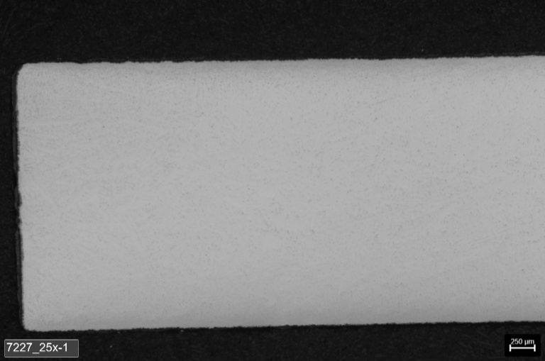 |  |  |  |  |  | 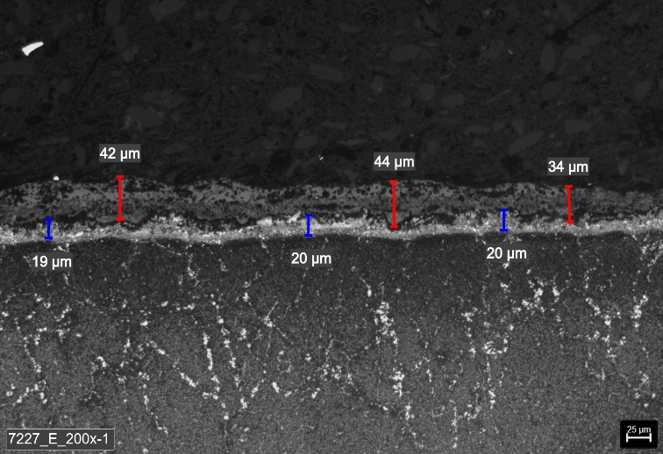

Oxidation

Cr.alloy depletion

 | Picture 1: | Micrograph- Shroud Tip Unetched 25x |  |  |  |  | Picture 2: |  | Micrograph- Suction Side Waterless Kalling Etched 100x

 | 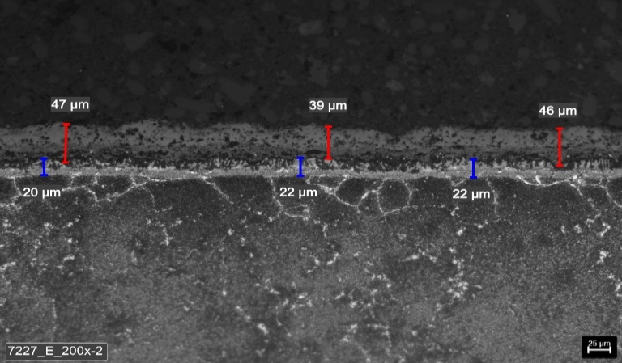 |  |  |  |  |  | 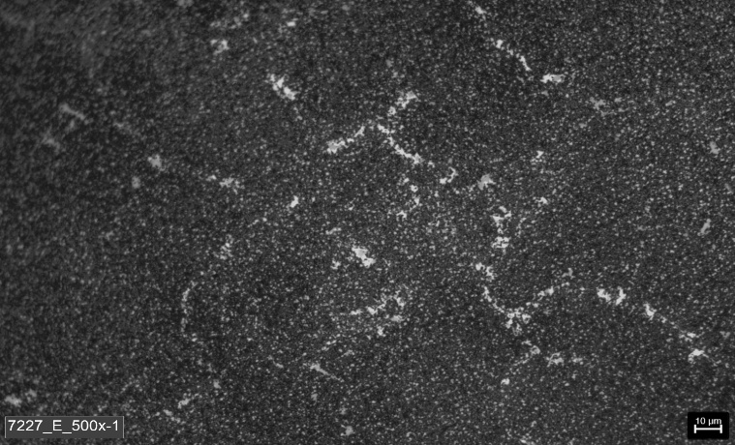
Oxidation

Cr.alloy depletion

 | Picture 3: | Micrograph-Pressure Side Waterless Kalling Etched 200x |  |  |  |  | Picture 4: |  | Micrograph-Middle Wall Waterless Kalling Etched 500x

Remarks: |  | Met. Lab: |  | Tejo / Berenice |  |  | Mat. Eng: |  | Khemici B. / Eslam A. |  |  | Date: | 2025-11-18
METALLURGICAL EXAMINATION RESULTS

 | 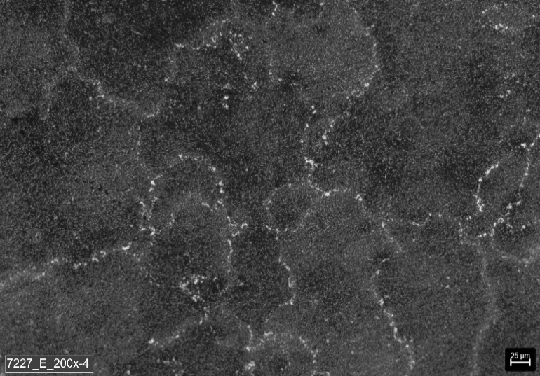 |  |  |  |  |  | 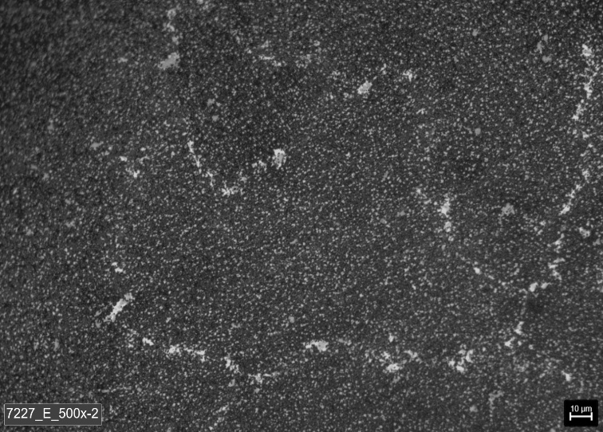

 | Picture 5: | Micrograph- Shroud Tip Waterless Kalling Etched 200x |  |  |  |  | Picture 6: |  | Micrograph-Middle Wall Waterless Kalling Etched 500x

 | 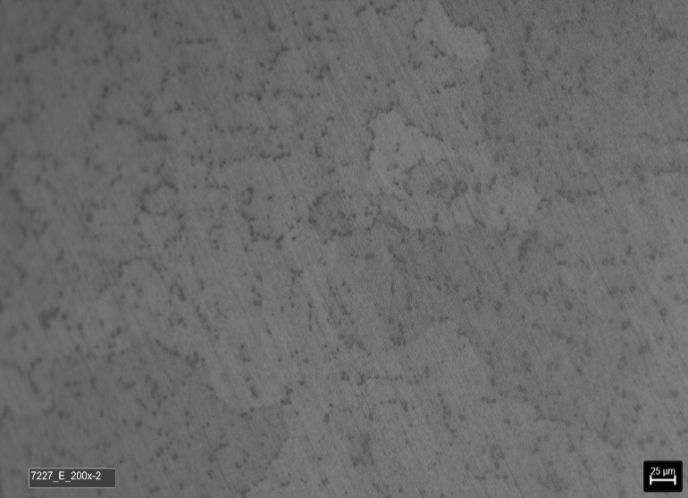

 | Picture 7: | Micrograph- Middle Wall Etched 200x Post Solution HT |  |  |  |  | Picture 8: |  | Micrograph- Middle Wall Etched 500x Post Solution HT

Remarks: |  | Met. Lab: |  | Tejo / Berenice |  |  | Mat.Eng: |  | Sreejith Unnikrishnan |  |  | Date: | 2025-11-18

